Sheet1
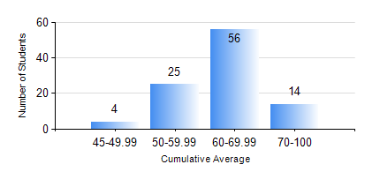
 |  |  | KWAME NKRUMAH UNIVERSITY OF SCIENCE AND TECHNOLOGY, KUMASI Department of Materials Engineering

 |  |  | BSC. METALLURGICAL ENG.

 |  |  | COMPREHENSIVE RECORD OF EXAMINATION RESULTS

 |  |  | RESULTS OF YEAR 4 SECOND SEMESTER, 2021/2022 ACADEMIC YEAR

 | Sn | Course Code |  | Course Name | Credit Hours | Min. Mark | Max. Mark | Avg. Mark | Std. Dev. | No. Passed | No. Trailed | No. (Df) | No. (I) | No. (I*) | No. Tagged(I,I*,Df) | Total
 | 0. |  |  |  |  |  |  | 0 | 0 | 0 | 0 | 0 | 0 | 0 | 0 | 2
 | 1. | CHE 452 |  | PROCESS CONTROL/SIMULATION | 4 | 40 | 86 | 61 | 9.94 | 97 | 0 | 0 | 0 | 0 | 0 | 97
 | 2. | ME 492 |  | MANAGEMENT AND ENTREPRENEURSHIP DEVELOPMENT | 2 | 42 | 72 | 58 | 7.18 | 97 | 0 | 0 | 0 | 0 | 0 | 97
 | 3. | METE 452 |  | ELECTROMETALLURGY | 3 | 51 | 84 | 68 | 7.62 | 97 | 0 | 0 | 0 | 0 | 0 | 97
 | 4. | METE 498 |  | PROJECT II | 3 | 54 | 85 | 70 | 6.63 | 97 | 0 | 0 | 0 | 0 | 0 | 97
 | 5. | MSE 452 |  | WASTE MANAGEMENT | 3 | 42 | 95 | 69 | 12.84 | 97 | 0 | 0 | 0 | 0 | 0 | 97
 | 6. | MSE 456 |  | MATERIALS QUALITY CONTROL, ASSURRANCE AND SELECTION | 3 | 40 | 74 | 60 | 7.69 | 97 | 0 | 0 | 0 | 0 | 0 | 97

